CX7 - Details
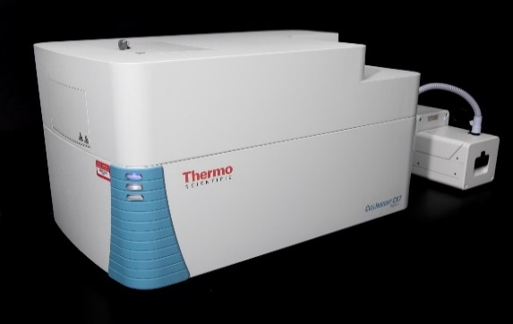
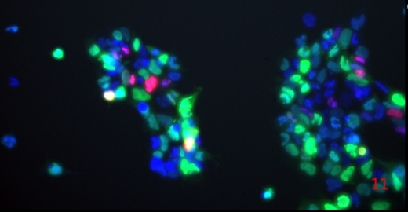
Thermo CellInsight CX7+ HCA Imaging Platform
7-channel solid-state LED light engine
Photometrics X1 camera
7-channel fluorescent imaging
5-channel brightfield imaging
7-channel confocal imaging
4x, 10x, 20x objectives
Software and laser-based autofocus
HCS Studio Software
On-stage Incubator

Illumination | 7-channel solid-state LED light engine
Camera | Photometrics X1 camera
Widefield | 7-channel fluorescent imaging
Brightfield | 5-channel brightfield imaging
Confocal | 7-channel confocal imaging
Objectives | 3-position objective (range from 2x-40x low and high NA)
Focus | software and laser-based autofocus for consistent scan times
Automation | configured for fully automated plate handling and scanning
Software | HCS studio software for integrated data collection and analysis

MP Details
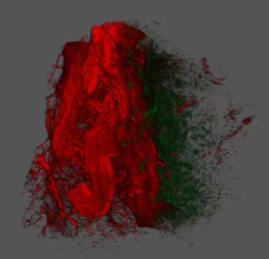
Leica SP8 upright multiphoton and confocal fluorescence microscope
LAS X Software suite with Leica Lightning deconvolution and LAS X Navigator Upgrade
Light Sources and Lasers
Coherent Chameleon Vision II, 680-1080 nm tunable NIR laser, 80Mhz
Diode laser 405 nm
Diode laser488 nm
Diode laser 552 nm
Diode laser 638 nm
Halogen lamp for transmitted light
External fluorescence lamp: LQ-HXP 120
Scanner and Stage
Galvo scanner (field-of-view scanner): 10 Hz to 1800 Hz
 | Max frame size: 8000 X 8000
Resonant scanner: 8 kHz
 | Max frame size: 2496 X 2496
Automated stage for tile scanning

Non-Descanned Detectors
Two HyD-RLD
 | SHG440 filter cube: 440/20 & 483/32 with RSP455 | ASK ME ABOUT MY OTHER Multiphoton (TCS SP8 LIAchroic CFS MP)
 | FITC TRITC filter cube: 525/50 & 585/40 with BS 560
Detectors
1 descanned confocal photon-counting hybrid detectors (HyD)
3 descanned Photomultiplier tube (PMT) detectors
Widefield Fluorescence Filters
DAPI (Filter Cube:A)
GFP (Filter Cube: I3)
Red(Filter Cube: N2.1)

Vimago
